Empathy Map
EMPATHY MAP |  | HOME
“Lack of Awareness”
“Ignorant”
“Careless”

THINK & FEEL
“Lack of Moral Value Education”
“Some wastage of Food”
“Lack of Drinking Water”
“Improper Waste Management”
“Lack of Discipline among Students”

HEAR
SEE

Image of Stakeholder

SAY & DO

“Some parents cannot afford basic education”

PAIN POINTS 1. Cannot afford education 2. Lack of moral education 3. Lack of exposure | GAIN POINTS 1. Clean Drinking Water 2. Moral Values

Brainstorming
'DTSI Worksheets'!A1 |  |  |  |  |  |  | HOME
1
2
 |  |  | Write your POV statement |  | Brainstorming
 |  |  | What problem are you trying to solve? This will be the focus of your brainstorm. |  | Write down any ideas that come to mind that address your problem statement.
 | Brainstorm Ideas
 | Use this template in your brainstorming sessions so your team can unleash imagination and start shapping concepts witting together. |  | [Students of Government High School , Basaveshwar nagar ] faces a social challenge of [ lack of discipline ] because [ discipline always have been taught from Childhood of the student and it’s the most important in every student's carrer and also in professional life ] |  | Student 1 | Student 2

 |  | 30 Mins
 |  | 4-5 students | Key rules of brainstorming
 |  |  | To run an smooth and productive session

 |  |  |  | Stay in topic.
 |  |  |  | Defer judgment.
 |  |  |  | Go for volume.
 |  |  |  | Encourage wild ideas.
 |  |  |  | Listen to others. | Student 3 | Student 4
 |  |  |  | If possible, be visual.

3
 | 15 Mins
 | Group Ideas
 | Start clustering similar or related notes as you go. In the last 10 minutes, give each cluster a sentence-like label.

 | Use this area to cluster ideas here…..

Idea Filtering
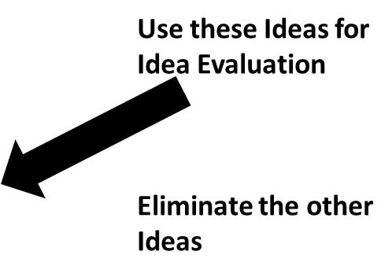
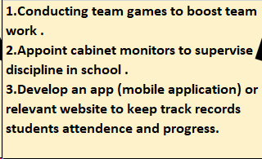
 |  |  |  | HOME
Idea Filtering: Feasiblity Versus Impact Matrix
Degree of Impact | High Impact | 1.To promote importance of dusbins and cleanliness in classroom. 2. Awarness session about importance of food. 3. Teaching them basic discipline like handwash and clealiness. | 2 Write here..

 |  | High Impact & Low Feasibility | High Impact & High Feasibility
 | Low Impact | 1.Students should maintain proper uniform seating arrangements . 2.Students must ensure some groundrules and awarness about homework and academics. | 1.To maintain attendence strictly i.e., taking attendence twice a day. 2.Students should be dressed in complete neat and tidy uniform.

 |  | Low Impact & Low Feasibility | Low Impact & High Feasibility
 | X | Low Feasiblity | High Feasiblity
Feasiblity

Copy of Stakeholder Map
Stakeholder Map |  | HOME

Tertiary Stakeholders
Secondary Stakeholders
Primary Stakeholders
Social Challenge
Staff and Faculty
Students
Teachers
Stakeholder Map
Lack of Discipline

 | HOME

